counts_of_filtered_SNMs
Count of SNMs |  |  |  |  |  | CDS rate:INTRON rate
Labels | Monroe | Weng | Affected regions | Monroe | Weng | Monroe | Weng |  | length
A/T-associated | 423 | 315 | non-syn_variant | 109 | 182 |  |  | CDS | 33245997
A/T-associated;clustered | 509 | 10 | synonymous_variant | 53 | 90 |  |  | INTRON | 19292359
A/T-associated;clustered;low_support | 185 | 0 | stop_gained | 1 | 12 | 0.19 | 1.15
A/T-associated;clustered;non-rare | 178 | 0 | intron_variant | 508 | 143
A/T-associated;clustered;poor_support | 8 | 0 | intergenic_region | 1190 | 397
A/T-associated;low_support | 127 | 2 | TE | 460 | 388
A/T-associated;non-rare | 433 | 1 | UTR | 246 | 66
A/T-associated;poor_support | 2 | 0 | non_coding_exon_variant | 34 | 11
clustered | 123 | 32
clustered;low_support | 140 | 3
clustered;non-rare | 100 | 0
clustered;non-rare;poor_support | 2 | 0
clustered;poor_support | 13 | 0
G/C-associated | 5 | 20
G/C-associated;clustered | 5 | 0
G/C-associated;clustered;low_support | 3 | 0
G/C-associated;clustered;non-rare | 3 | 0
G/C-associated;low_support | 1 | 0
G/C-associated;non-rare | 1 | 0
low_support | 64 | 2
non-rare | 78 | 2
non-rare;poor_support | 2 | 0
poor_support | 4 | 0
uncategorized | 192 | 902

essentiality_chisq
SNMs |  |  |  |  |  |  | SNM + INDEL

essentiality | Local CDS length | Monroe_CDS_SNM_Observed | Mu | Expected | (O-E)^2/E |  | essentiality | Local CDS length | Monroe_CDS_Observed | Mu | Expected | (O-E)^2/E
CLB | 517659 | 0 | 1.2E-06 | 0.62 | 0.619 |  | CLB | 517659 | 0 | 3.1E-06 | 1.61 | 1.609
CND | 811830 | 0 |  | 0.97 | 0.970 |  | CND | 811830 | 4 |  | 2.52 | 0.864
ESN | 1370898 | 2 |  | 1.64 | 0.080 |  | ESN | 1370898 | 4 |  | 4.26 | 0.016
MRP | 1482249 | 3 |  | 1.77 | 0.851 |  | MRP | 1482249 | 5 |  | 4.61 | 0.034
 |  |  |  | Chi-sqaured | 2.52 |  |  |  |  |  | Chi-sqaured | 2.523
 |  |  |  | P-value | 0.472 | 1-pchisq(2.52, df=3) |  |  |  |  | P-value | 0.471 | 1-pchisq(2.523, df=3)

essentiality | Local CDS length | Weng_CDS_SNM_Observed | Mu | Expected | (O-E)^2/E |  | essentiality | Local CDS length | Weng_CDS_Observed | Mu | Expected | (O-E)^2/E
CLB | 517659 | 4 | 7.2E-06 | 3.71 | 0.022 |  | CLB | 517659 | 4 | 7.7E-06 | 3.96 | 0.000
CND | 811830 | 5 |  | 5.82 | 0.116 |  | CND | 811830 | 7 |  | 6.21 | 0.100
ESN | 1370898 | 14 |  | 9.83 | 1.766 |  | ESN | 1370898 | 14 |  | 10.49 | 1.176
MRP | 1482249 | 7 |  | 10.63 | 1.240 |  | MRP | 1482249 | 7 |  | 11.34 | 1.661
 |  |  |  | Chi-sqaured | 3.14 |  |  |  |  |  | Chi-sqaured | 2.938
 |  |  |  | P-value | 0.370 | 1-pchisq(3.145, df=3) |  |  |  |  | P-value | 0.401 | 1-pchisq(2.938, df=3)

essentiality | Local Intron length | Monroe_Intron_SNM_Observed | Mu | Expected | (O-E)^2/E |  | essentiality | Local Intron length | Monroe_Intron_Observed | Mu | Expected | (O-E)^2/E
CLB | 323615 | 7 | 2.6E-05 | 8.57 | 0.287 |  | CLB | 323615 | 12 | 3.8E-05 | 12.18 | 0.003
CND | 520237 | 15 |  | 13.78 | 0.109 |  | CND | 520237 | 25 |  | 19.58 | 1.502
ESN | 1012911 | 20 |  | 26.82 | 1.735 |  | ESN | 1012911 | 29 |  | 38.12 | 2.180
MRP | 1013257 | 34 |  | 26.83 | 1.915 |  | MRP | 1013257 | 42 |  | 38.13 | 0.393
 |  |  |  | Chi-sqaured | 4.05 |  |  |  |  |  | Chi-sqaured | 4.078
 |  |  |  | P-value | 0.256 | 1-pchisq(4.0466, df=3) |  |  |  |  | P-value | 0.253 | 1-pchisq(4.078, df=3)

essentiality | Local Intron length | Weng_Intron_SNM_Observed | Mu | Expected | (O-E)^2/E |  | essentiality | Local Intron length | Weng_Intron_Observed | Mu | Expected | (O-E)^2/E
CLB | 323615 | 4 | 9.8E-06 | 3.16 | 0.225 |  | CLB | 323615 | 5 | 1.3E-05 | 4.17 | 0.164
CND | 520237 | 6 |  | 5.08 | 0.168 |  | CND | 520237 | 8 |  | 6.71 | 0.249
ESN | 1012911 | 6 |  | 9.88 | 1.525 |  | ESN | 1012911 | 9 |  | 13.06 | 1.261
MRP | 1013257 | 12 |  | 9.89 | 0.452 |  | MRP | 1013257 | 15 |  | 13.06 | 0.287
 |  |  |  | Chi-sqaured | 2.37 |  |  |  |  |  | Chi-sqaured | 1.962
 |  |  |  | P-value | 0.499 | 1-pchisq(2.37, df=3) |  |  |  |  | P-value | 0.580 | 1-pchisq(1.962, df=3)

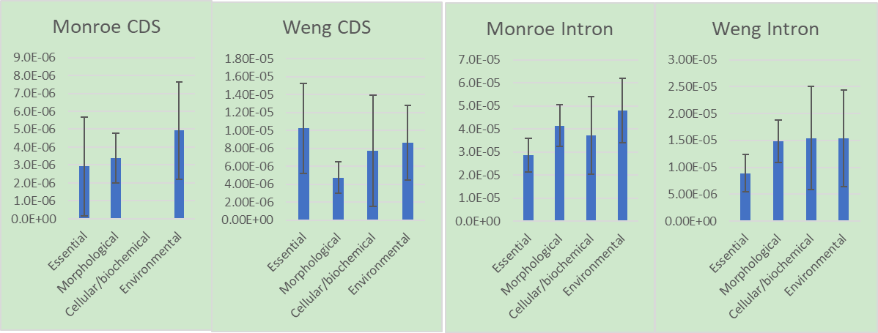
INDELs

essentiality | Length | Monroe_INDEL_Observed | Mu | Expected | (O-E)^2/E
CLB | 841274 | 5 | 5.7E-06 | 4.77 | 0.011
CND | 1332067 | 14 |  | 7.55 | 5.498
ESN | 2383809 | 11 |  | 13.52 | 0.470
MRP | 2495506 | 10 |  | 14.15 | 1.219

 |  |  |  | Chi-sqaured | 7.198
 |  |  |  | P-value | 0.066 | 1-pchisq(7.198, df=3)

essentiality | Length | Weng_INDEL_Observed | Mu | Expected | (O-E)^2/E
CLB | 841274 | 1 | 1.6E-06 | 1.31 | 0.074
CND | 1332067 | 4 |  | 2.08 | 1.779
ESN | 2383809 | 3 |  | 3.72 | 0.139
MRP | 2495506 | 3 |  | 3.89 | 0.205

 |  |  |  | Chi-sqaured | 2.196
 |  |  |  | P-value | 0.533 | 1-pchisq(2.196, df=3)

